Sheet1
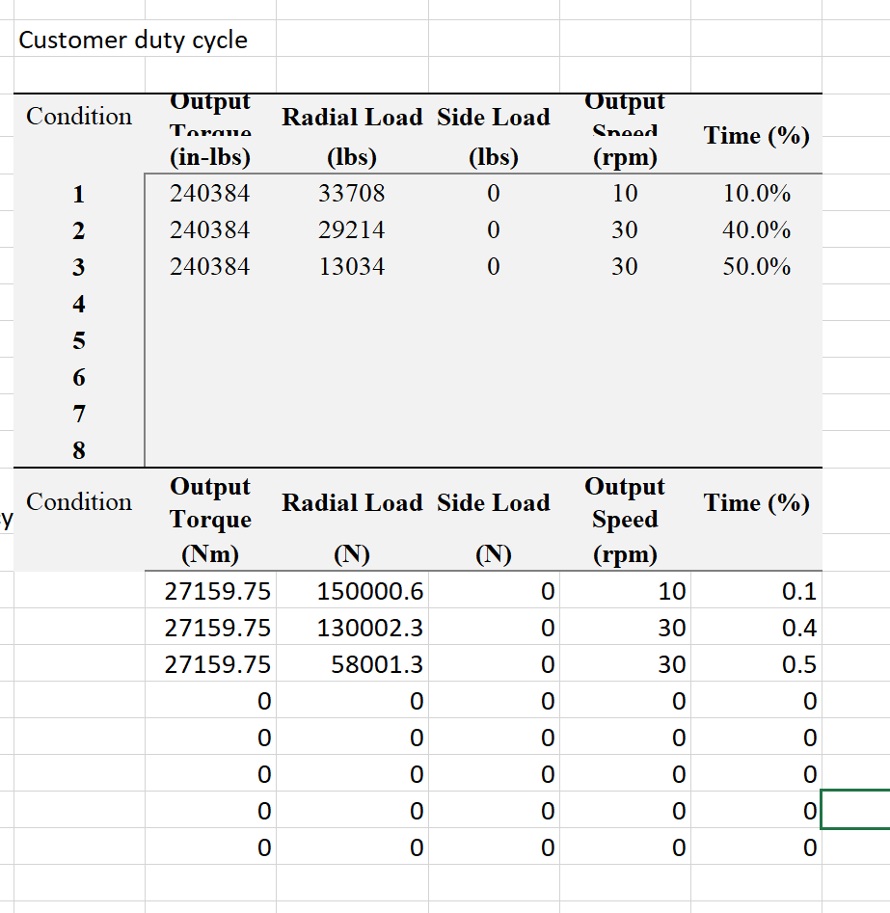
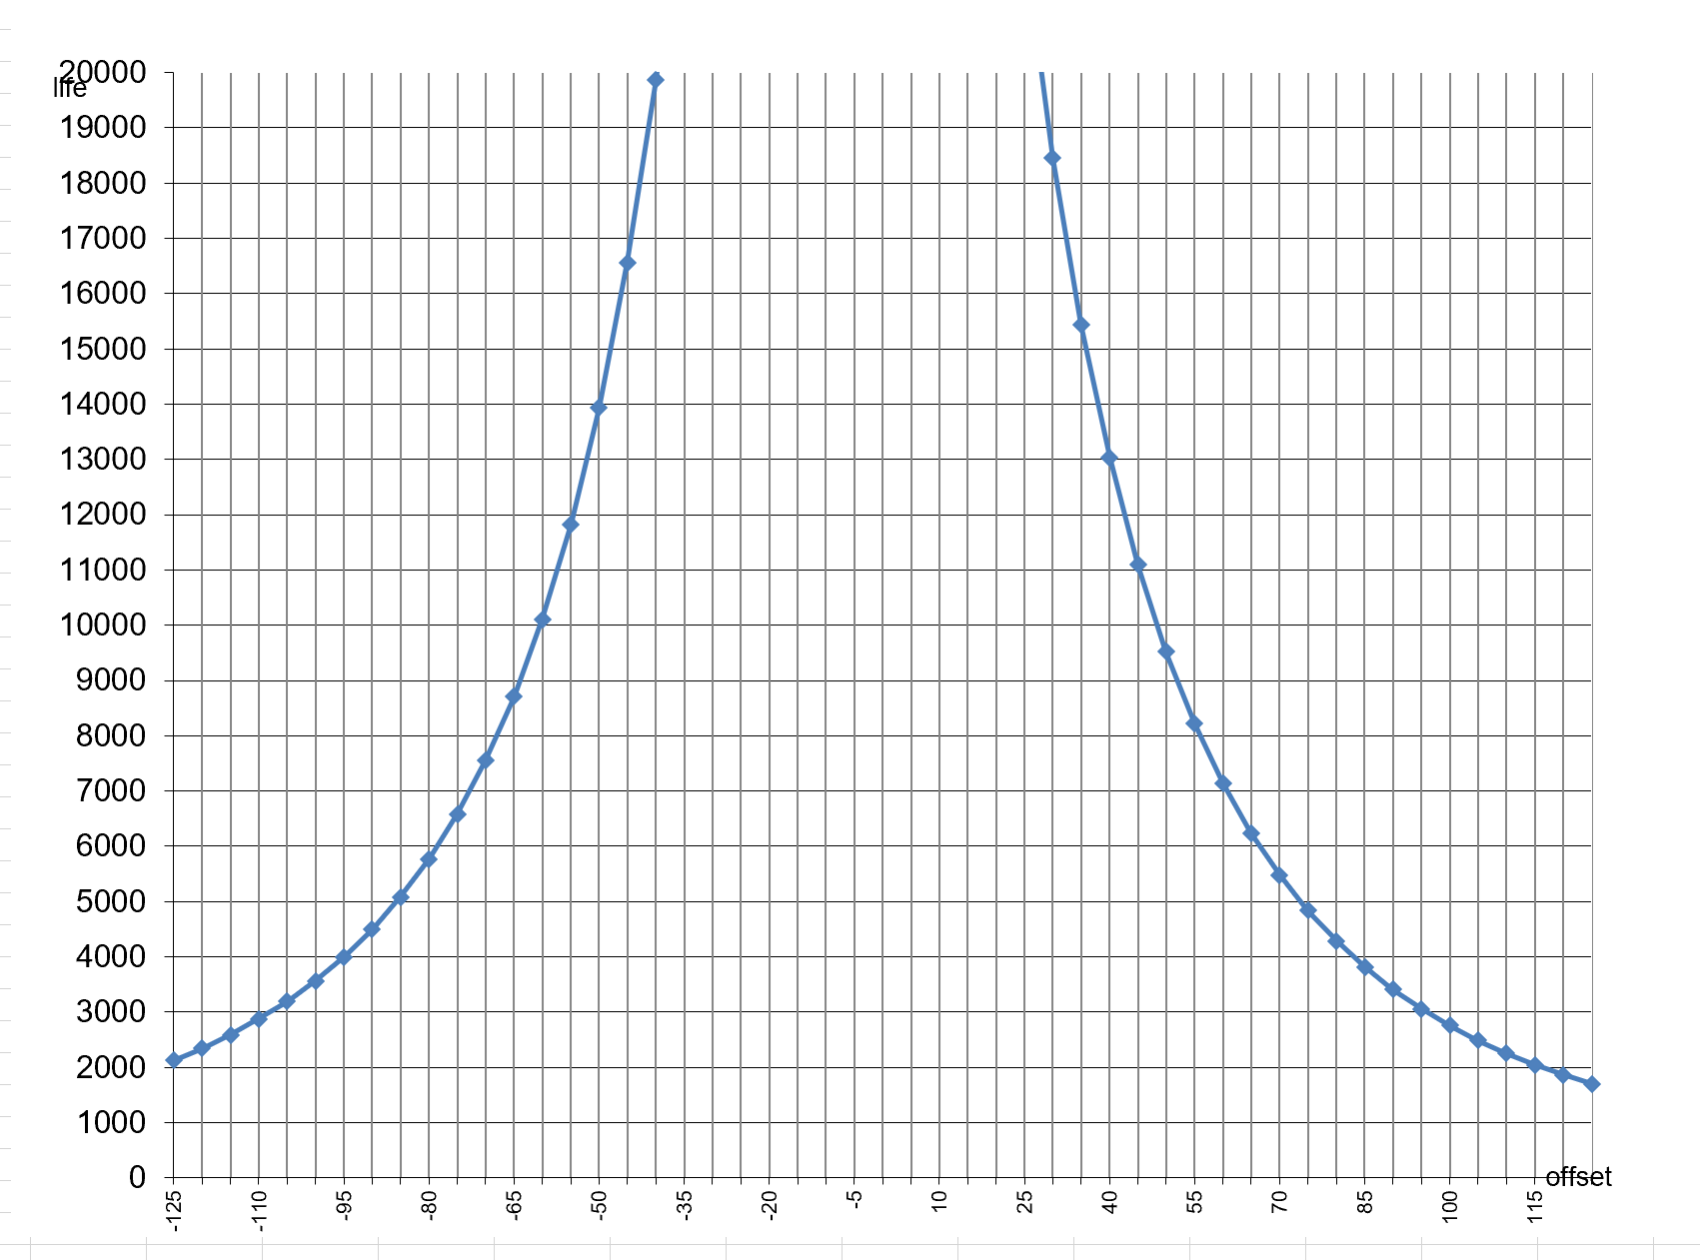
PMP PMC2000 Lifetime Report |  | Email
 |  | Alessandro Borsetti
 |  | 2021-08-02

Comment:
 | Lifetime has been calculated for torque of 27kNm, normal peak torque is under 18kNm
 | Target offset is -40mm
 | Lifetime is given in hours
 | Offset is given in mm

Conclusion: good, exceeds life of machine

